CONTINUATIVI
 | BEACHWEAR SS2020

PICTURE | Product Description | Art. Name | Art. No. | Color Code | Main color | Print color | SILICON | Season | Category | Gender | Size Range | Material (SMS) | Material (Production) | Country of Manufacture | Country of Design | Manufacture Date | EAN |  | suiza |  |  |  |  |  |  |  |  | ORDER TOTAL PCS | españa,francia |  |  |  |  |  |  |  |  |  | order
 |  |  |  |  |  |  |  |  |  |  |  |  |  |  |  |  |  |  | UNIT | 1 | XS | S | M | L | XL | XXL | BOX EAN |  | UNIT | 1 | XS | S | M | L | XL | XXL |  | BOX EAN | UNIT | 1 | XS | S | M | L | XL | XXL | Total qty | BOX EAN
 |  |  |  |  |  |  |  |  |  |  |  |  |  |  |  |  |  |  |  | 2 | 1º | 2º | 3º | 4º |  |  |  |  |  | 2 | 1º | 2º | 3º | 4º |  |  |  |  |  | 2 | 1º | 2º | 3º | 4º
 | K-WAY PRINT CARLOS | CARLOS | CM-10170-JPR | 19-002 | WHITE | RED | YES | Spring Summer 2020 | JACKET | MEN | XS - XXL | 100% PL | 100% PL | BANGLADESH (DA CONFERMARE) | Italy | 15/10/2019 | XS: S: M: L: XL: XXL: | 8435576319881 8435576319898 8435576319904 8435576319911 8435576319928 8435576319935 |  | 1 | 31 | 73 | 84 | 84 | 83 | 43 | 18435576305997 | 398 |  | 1 | 15 | 30 | 30 | 30 | 30 | 15 | 150 | 18435576305997 |  | 1 | 46 | 103 | 114 | 114 | 113 | 58 | 548 | 18435576305997
 | K-WAY PRINT CARLOS | CARLOS | CM-10170-JPR | 19-003 | RED | WHITE | YES | Spring Summer 2020 | JACKET | MEN | XS - XXL | 100% PL | 100% PL | BANGLADESH (DA CONFERMARE) | Italy | 15/10/2019 | XS: S: M: L: XL: XXL: | 8435576319942 8435576319959 8435576319966 8435576319973 8435576319980 8435576319997 |  | 1 | 30 | 90 | 117 | 129 | 116 | 58 | 18435576306000 | 540 |  | 1 | 15 | 30 | 30 | 30 | 30 | 15 | 150 | 18435576306000 |  | 1 | 45 | 120 | 147 | 159 | 146 | 73 | 690 | 18435576306000
 | K-WAY PRINT CARLOS | CARLOS | CM-10170-JPR | 19-000 | BLACK | RED | YES | Spring Summer 2020 | JACKET | MEN | XS - XXL | 100% PL | 100% PL | BANGLADESH (DA CONFERMARE) | Italy | 15/10/2019 | XS: S: M: L: XL: XXL: | 8435576320009 8435576320016 8435576320023 8435576320030 8435576320047 8435576320054 |  | 1 | 40 | 122 | 153 | 164 | 143 | 72 | 18435576306017 | 694 |  | 1 | 15 | 30 | 30 | 30 | 30 | 15 | 150 | 18435576306017 |  | 1 | 55 | 152 | 183 | 194 | 173 | 87 | 844 | 18435576306017
 | K-WAY PRINT BIEL | BIEL | CM-10171-JPR | 19-000 | BLACK | RED | YES | Spring Summer 2020 | JACKET | MEN | XS - XXL | 100% PA | 100% PL | BANGLADESH (DA CONFERMARE) | Italy | 15/10/2019 | XS: S: M: L: XL: XXL: | 8435576320061 8435576320078 8435576320085 8435576320092 8435576320108 8435576320115 |  | 1 | 40 | 109 | 138 | 138 | 128 | 59 | 18435576306024 | 612 |  | 1 | 10 | 20 | 20 | 20 | 20 | 10 | 100 | 18435576306024 |  | 1 | 50 | 129 | 158 | 158 | 148 | 69 | 712 | 18435576306024
 | K-WAY PRINT DOMINGO | DOMINGO | CM-10172-JPR | 19-000 | BLACK | PRINT | YES | Spring Summer 2020 | JACKET | MEN | XS - XXL | 50% PA 50% PL | 100% PL | BANGLADESH (DA CONFERMARE) | Italy | 15/10/2019 | XS: S: M: L: XL: XXL: | 8435576320122 8435576320139 8435576320146 8435576320153 8435576320160 8435576320177 |  | 1 | 30 | 85 | 110 | 110 | 110 | 85 | 18435576306031 | 530 |  | 1 | 10 | 20 | 20 | 20 | 20 | 10 | 100 | 18435576306031 |  | 1 | 40 | 105 | 130 | 130 | 130 | 95 | 630 | 18435576306031
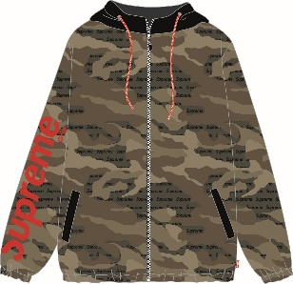 |  | FELIX | CM-10173-JPR | 19-042 | MULTICOLOR | PRINT | YES | Spring Summer 2020 | JACKET | MEN | XS - XXL | 100% PL | 100% PL | BANGLADESH (DA CONFERMARE) | Italy | 15/10/2019 | XS: S: M: L: XL: XXL: | 8435576320184 8435576320191 8435576320207 8435576320214 8435576320221 8435576320238 |  | 1 | 40 | 170 | 249 | 260 | 239 | 120 | 18435576306048 | 1,078 |  | 1 | 15 | 30 | 30 | 30 | 30 | 15 | 150 | 18435576306048 |  | 1 | 55 | 200 | 279 | 290 | 269 | 135 | 1228 | 18435576306048
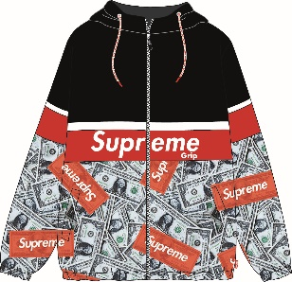 | K-WAY PRINT FLAMINGO | FLAMINGO | CM-10174-JPR | 19-042 | MULTICOLOR | PRINT | YES | Spring Summer 2020 | JACKET | MEN | XS - XXL | 50% PA 50% PL | 100% PL | BANGLADESH (DA CONFERMARE) | Italy | 15/10/2019 | XS: S: M: L: XL: XXL: | 8435576320245 8435576320252 8435576320269 8435576320276 8435576320283 8435576320290 |  | 1 | 30 | 118 | 165 | 176 | 165 | 88 | 18435576306055 | 742 |  | 1 |  |  |  |  |  |  | 0 | 18435576306055 |  | 1 | 30 | 118 | 165 | 176 | 165 | 88 | 742 | 18435576306055
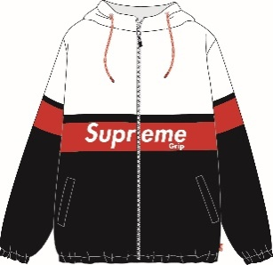 | K-WAY PRINT GIL | GIL | CM-10175-JPR | 19-002 | WHITE | PRINT BLACK RED | YES | Spring Summer 2020 | JACKET | MEN | XS - XXL | 100% PA | 100% PL | BANGLADESH (DA CONFERMARE) | Italy | 15/10/2019 | XS: S: M: L: XL: XXL: | 8435576320306 8435576320313 8435576320320 8435576320337 8435576320344 8435576320351 |  | 1 | 30 | 104 | 148 | 148 | 148 | 74 | 18435576306062 | 652 |  | 1 | 10 | 20 | 20 | 20 | 20 | 10 | 100 | 18435576306062 |  | 1 | 40 | 124 | 168 | 168 | 168 | 84 | 752 | 18435576306062
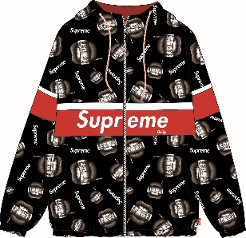 | K-WAY PRINT RICO | RICO | CM-10176-JPR | 19-042 | MULTICOLOR | PRINT | YES | Spring Summer 2020 | JACKET | MEN | XS - XXL | 100% PL | 100% PL | BANGLADESH (DA CONFERMARE) | Italy | 15/10/2019 | XS: S: M: L: XL: XXL: | 8435576320368 8435576320375 8435576320382 8435576320399 8435576320405 8435576320412 |  | 1 | 40 | 122 | 171 | 183 | 161 | 76 | 18435576306079 | 753 |  | 1 | 10 | 20 | 20 | 20 | 20 | 10 | 100 | 18435576306079 |  | 1 | 50 | 142 | 191 | 203 | 181 | 86 | 853 | 18435576306079
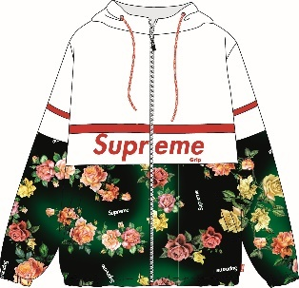 | K-WAY PRINT SAUL | SAUL | CM-10177-JPR | 19-002 | WHITE | PRINT | YES | Spring Summer 2020 | JACKET | MEN | XS - XXL | 50% PA 50% PL | 100% PL | BANGLADESH (DA CONFERMARE) | Italy | 15/10/2019 | XS: S: M: L: XL: XXL: | 8435576320429 8435576320436 8435576320443 8435576320450 8435576320467 8435576320474 |  | 1 | 40 | 85 | 110 | 110 | 110 | 55 | 18435576306086 | 510 |  | 1 |  |  |  |  |  |  | 0 | 18435576306086 |  | 1 | 40 | 85 | 110 | 110 | 110 | 55 | 510 | 18435576306086
057-20-FT1703
057-ML-FT1701
057-ML-FT1702
057-ML-FT1703
057-ML-FT1704
057-ML-FT1705
 |  |  |  |  |  |  |  |  |  |  |  |  |  |  |  |  |  |  |  |  |  |  |  |  |  |  |  | 6,509 |  |  |  |  |  |  |  |  | 1000 |  |  |  |  |  |  |  |  |  | 7509

 |  |  |  |  |  |  |  |  |  |  |  |  |  |  |  |  |  |  |  |  |  |  |  |  |  |  |  |  |  |  | 7509

